ENABLE MACROS
MACROS ARE REQUIRED FOR THIS WORKBOOK TO RUN PROPERLY.
PLEASE ENABLE MACROS TO CONTINUE

 |  | OR

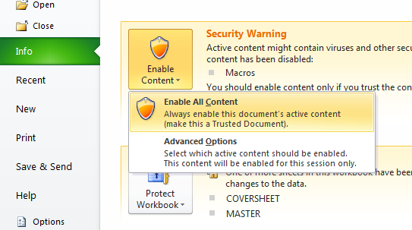

 | * If neither of these options are available, close and reopen the application.

